STEP 2
Step 2: Standardize the Data

District | Population | Median School Years | Total Employment | Misc Professsion Ai Services | Median House Value
1 | 5700 | 12.8 | 2500 | 270 | 25000
2 | 1000 | 10.9 | 600 | 10 | 10000
3 | 3400 | 8.8 | 1000 | 10 | 9000
4 | 3800 | 13.6 | 1700 | 140 | 25000
5 | 4000 | 12.8 | 1600 | 140 | 25000
6 | 8200 | 8.3 | 2600 | 60 | 12000
7 | 8700 | 11.4 | 400 | 10 | 16000
8 | 9100 | 11.5 | 3300 | 60 | 14000
9 | 9900 | 12.5 | 3400 | 180 | 18000
10 | 9600 | 13.7 | 3600 | 390 | 25000
11 | 9600 | 9.6 | 3300 | 80 | 12000
12 | 9400 | 11.4 | 4000 | 100 | 13000
Mean | 6866.6667 | 11.4417 | 2333.3333 | 120.8333 | 17000.0000
SD | 3105.8108 | 1.7865 | 1241.2115 | 114.9275 | 6367.5313

$$\frac{(feature −mean)}{standard dev }$$
District | Population | Median School Years | Total Employment | Misc Professsion Ai Services | Median House Value
1 | -0.3756399694 | 0.76031304206 | 0.13427740778 | 1.2979195518 | 1.256373884 |  | FORMULA:
2 | -1.8889324176 | -0.30319231739 | -1.3964850409 | -0.96437597984 | -1.0993271485
3 | -1.1161873377 | -1.4786456094 | -1.0742192622 | -0.96437597984 | -1.256373884
4 | -0.987396491 | 1.2081047724 | -0.51025414956 | 0.16677178599 | 1.256373884
5 | -0.92300106768 | 0.76031304206 | -0.59082059423 | 0.16677178599 | 1.256373884
6 | 0.42930282217 | -1.7585154408 | 0.21484385245 | -0.52931914683 | -0.78523367748 |  | OTHER WAY:
7 | 0.59029138049 | -0.023322485953 | -1.5576179302 | -0.96437597984 | -0.1570467355 | STANDARDIZE (Feature, Mean, SD)
8 | 0.71908222714 | 0.032651480334 | 0.77880896512 | -0.52931914683 | -0.47114020649
9 | 0.97666392045 | 0.5923911432 | 0.85937540978 | 0.5148172524 | 0.1570467355
10 | 0.88007078546 | 1.2640787386 | 1.0205082991 | 2.342055951 | 1.256373884
11 | 0.88007078546 | -1.0308538791 | 0.77880896512 | -0.35529641363 | -0.78523367748
12 | 0.81567536213 | -0.023322485953 | 1.3427740778 | -0.18127368042 | -0.62818694199
Mean | 0.0000 | 0.0000 | 0.0000 | 0.0000 | 0.0000
SD | 1.0000 | 1.0000 | 1.0000 | 1.0000 | 1.0000

STEP 3
 | Step 3: Compute COVARIANCE MATRIX to identify correlations.

1. Go to Data Ribbon
2. Click Data Analysis then "Covariance" (click OK)
3. Select Input Range (ALL STANDARDIZED DATA SET)
4. Select Output Range (ANYWHERE)
5. Click OK
AN OUTPUT WILL APPEAR
THEN: (for example)
6. Copy the Covariance Matrix OUTPUT then Go HOME - PASTE Special
7. Click Transpose then hit OK
8. Copy the Transpose OUTPUT, click on the first column of the FEATURE.
9. Go to Paste Special then click Skip Blanks
10. Click OK
District | Population | Median School Years | Total Employment | Misc Professsion Ai Services | Median House Value
1 | -0.3756399694 | 0.76031304206 | 0.13427740778 | 1.2979195518 | 1.256373884
2 | -1.8889324176 | -0.30319231739 | -1.3964850409 | -0.96437597984 | -1.0993271485
3 | -1.1161873377 | -1.4786456094 | -1.0742192622 | -0.96437597984 | -1.256373884
4 | -0.987396491 | 1.2081047724 | -0.51025414956 | 0.16677178599 | 1.256373884
5 | -0.92300106768 | 0.76031304206 | -0.59082059423 | 0.16677178599 | 1.256373884
6 | 0.42930282217 | -1.7585154408 | 0.21484385245 | -0.52931914683 | -0.78523367748
7 | 0.59029138049 | -0.023322485953 | -1.5576179302 | -0.96437597984 | -0.1570467355
8 | 0.71908222714 | 0.032651480334 | 0.77880896512 | -0.52931914683 | -0.47114020649
9 | 0.97666392045 | 0.5923911432 | 0.85937540978 | 0.5148172524 | 0.1570467355
10 | 0.88007078546 | 1.2640787386 | 1.0205082991 | 2.342055951 | 1.256373884
11 | 0.88007078546 | -1.0308538791 | 0.77880896512 | -0.35529641363 | -0.78523367748
12 | 0.81567536213 | -0.023322485953 | 1.3427740778 | -0.18127368042 | -0.62818694199
Mean | 0.0000 | 0.0000 | 0.0000 | 0.0000 | 0.0000
SD | 1.0000 | 1.0000 | 1.0000 | 1.0000 | 1.0000

 | Population | Median School Years | Total Employment | Misc Professsion Ai Services | Median House Value
Column 1 | 1 | 0.0056797665825 | 0.73513950941 | 0.27438376361 | -0.0096534050591
Column 2 | 0.0056797665825 | 1 | 0.15428378435 | 0.69140824094 | 0.86307008839
Column 3 | 0.73513950941 | 0.15428378435 | 1 | 0.51471836379 | 0.12192599048
Column 4 | 0.27438376361 | 0.69140824094 | 0.51471836379 | 1 | 0.77765425214
Column 5 | -0.0096534050591 | 0.86307008839 | 0.12192599048 | 0.77765425214 | 1

STEP 4
 | Step 4: Compute the Eigenvectors and Eigenvalues of the COVARIANCE MATRIX.

 | Population | Median School Years | Total Employment | Misc Professsion Ai Services | Median House Value
Eigen Values | 2.7607945 | 1.6538685 | 0.3025093 | 0.1937634 | 0.0890643

Eigen Vectors | 0.2274104 | 0.6569495 | 0.6402524 | 0.3079291 | -0.1093546 | SIMULATED THROUGH RSTUDIO
 | 0.5033976 | -0.3239732 | 0.383225 | -0.6048886 | -0.3589994 | 1. Copy the Covariance Matrix OUTPUT
 | 0.3385315 | 0.5873662 | -0.4263198 | -0.4992511 | 0.3307524 | 2. Run the PROVIDED CODE in RSTUDIO
 | 0.5600911 | -0.0135481 | -0.4878716 | 0.4554412 | -0.4905803 | 3. Paste the Eigen Values and Eigen Vectors back to EXCEL
 | 0.5163039 | -0.343913 | 0.1531281 | 0.2874215 | 0.7135088

Scree Plot

 |  |  |  |  |  | Reminder:
 |  |  |  |  |  | DON'T FORGET TO PLOT THE EIGEN VALUES

SCREE PLOT for Eigen Values:
1. Go to INSERT ribbon.
2. Click Recommended Charts.
3. Click All Charts then click Line.
4. Select the Line Graph then click OK.

STEP 5
Options in determining selecting principal components:
1. Scree Plot - keeping the eigenvalues who's only on the elbow joint
2. Setting threshold - for example < 90% or < 80%
3. kaiser's rule - keeping eigenvalues with values greater than 1
 | Step 5: Select the Principal Components

1. Calculate percentage of variance
$$\% of variance= \frac{eigenvalue_{n}}{\sum{eigenvalues}} x 100$$

2: Calculate the cumulative variance by summing up the percentages of variance in descending order.
 | Population | Median School Years | Total Employment | Misc Professsion Ai Services | Median House Value
Eigen Values | 2.7607945 | 1.6538685 | 0.3025093 | 0.1937634 | 0.0890643
% of variance | 55.21589 | 33.07737 | 6.050186 | 3.875268 | 1.781286
Cumulative % | 55.21589 | 88.29326 | 94.343446 | 98.218714 | 100
Sum of Eigen Values | 5

3. Select new Feature Vectors ( < 95% cumulative percentage)
Population | Median School Years | Total Employment
2.7607945 | 1.6538685 | 0.3025093
0.2274104 | 0.6569495 | 0.6402524
0.5033976 | -0.3239732 | 0.383225
0.3385315 | 0.5873662 | -0.4263198
0.5600911 | -0.0135481 | -0.4878716
0.5163 | -0.3439 | 0.1531

Step 6: Transform data into the new Coordinate system
Multply standardized data with eigenvectors

FEATURED VECTORS |  |  |  | STANDARDIZED DATA
Population | Median School Years | Total Employment |  | Population | Median School Years | Total Employment | Misc Professsion Ai Services | Median House Value
0.2274104 | 0.6569495 | 0.6402524 |  | -0.3756399694 | 0.76031304206 | 0.13427740778 | 1.2979195518 | 1.256373884
0.5033976 | -0.3239732 | 0.383225 | X | -1.8889324176 | -0.30319231739 | -1.3964850409 | -0.96437597984 | -1.0993271485
0.3385315 | 0.5873662 | -0.4263198 |  | -1.1161873377 | -1.4786456094 | -1.0742192622 | -0.96437597984 | -1.256373884
0.5600911 | -0.0135481 | -0.4878716 |  | -0.987396491 | 1.2081047724 | -0.51025414956 | 0.16677178599 | 1.256373884
0.5163039 | -0.343913 | 0.1531281 |  | -0.92300106768 | 0.76031304206 | -0.59082059423 | 0.16677178599 | 1.256373884
 |  |  |  | 0.42930282217 | -1.7585154408 | 0.21484385245 | -0.52931914683 | -0.78523367748
 |  |  |  | 0.59029138049 | -0.023322485953 | -1.5576179302 | -0.96437597984 | -0.1570467355
 |  |  |  | 0.71908222714 | 0.032651480334 | 0.77880896512 | -0.52931914683 | -0.47114020649
 |  |  |  | 0.97666392045 | 0.5923911432 | 0.85937540978 | 0.5148172524 | 0.1570467355
 |  |  |  | 0.88007078546 | 1.2640787386 | 1.0205082991 | 2.342055951 | 1.256373884
 |  |  |  | 0.88007078546 | -1.0308538791 | 0.77880896512 | -0.35529641363 | -0.78523367748
 |  |  |  | 0.81567536213 | -0.023322485953 | 1.3427740778 | -0.18127368042 | -0.62818694199

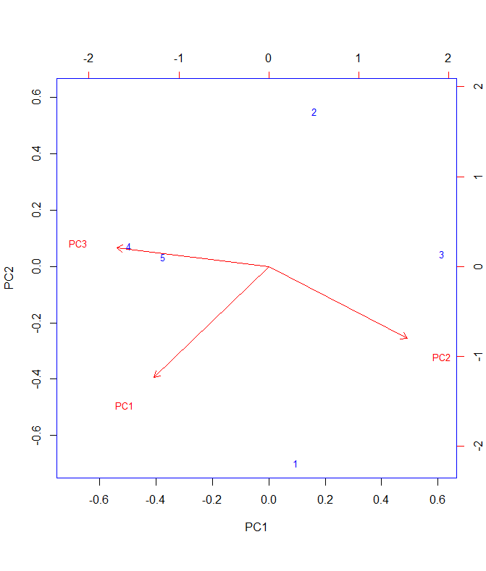

Final Dataset reduced to four dimensions
PC1 | PC2 | PC3
1.7183963828 | -0.863895184 | -0.44721048671
-2.1626686347 | -1.571816774 | -0.42808139152
-2.5506454576 | -0.44004847588 | -0.54522913787
0.95295383856 | -1.7741119934 | 0.15934735294 |  |  |  |  |  | Reminder:
0.71490646584 | -1.6340569389 | 0.063318762005 |  |  |  |  |  | DON'T FORGET TO PLOT THE EIGEN VALUES

INTERPRET THE RESULTS.
PROVIDED ANSWERS

STEPS FOR PLOTTING
1. Copy Final Dataset
2. Run the provided CODE in RSTUDIO.
3. Export the OUTPUT IMAGE then paste to excel.

